問題定義
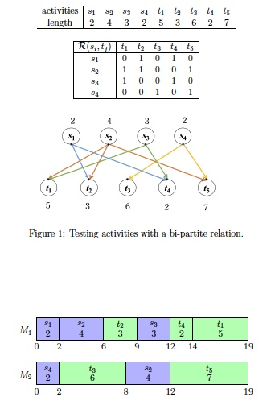

我們只考慮single machine
目標為：所有測試(test jobs)完工時間總和最小化

